ANOVA
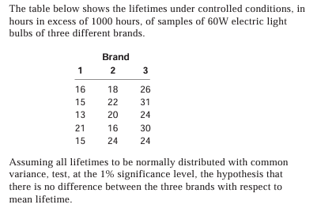
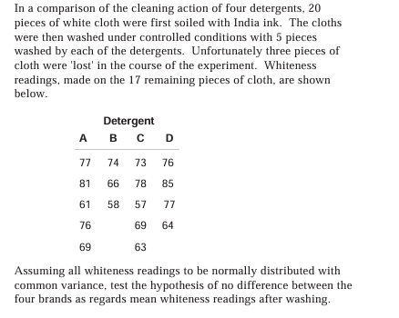

 | BRAND 1 | BRAND 2 | BRAND 3 |  |  |  |  |  | DETERGENT A | DETERGENT B | DETERGENT C | DETERGENT D
 | 16 | 18 | 26 |  |  |  |  |  | 77 | 74 | 73 | 76
 | 15 | 22 | 31 |  |  |  |  |  | 81 | 66 | 78 | 85
 | 13 | 20 | 24 |  |  |  |  |  | 61 | 58 | 57 | 77
 | 21 | 16 | 30 |  |  |  |  |  | 76 |  | 69 | 64
 | 15 | 24 | 24 |  |  |  |  |  | 69 |  | 63

TOTAL= | 80 | 100 | 135 |  |  |  |  | TOTAL= | 364 | 198 | 340 | 302

 | Anova: Single Factor |  |  |  |  |  |  |  | Anova: Single Factor

 | SUMMARY |  |  |  |  |  |  |  | SUMMARY
 | Groups | Count | Sum | Average | Variance |  |  |  | Groups | Count | Sum | Average | Variance
 | BRAND 1 | 5 | 80 | 16 | 9 |  |  |  | DETERGENT A | 5 | 364 | 72.8 | 62.2
 | BRAND 2 | 5 | 100 | 20 | 10 |  |  |  | DETERGENT B | 3 | 198 | 66 | 64
 | BRAND 3 | 5 | 135 | 27 | 11 |  |  |  | DETERGENT C | 5 | 340 | 68 | 68
 |  |  |  |  |  |  |  |  | DETERGENT D | 4 | 302 | 75.5 | 75

 | ANOVA
 | Source of Variation | SS | df | MS | F | P-value | F crit |  | ANOVA
 | Between Groups | 310 | 2 | 155 | 15.5 | 0.00047236394696 | 6.9266081402 |  | Source of Variation | SS | df | MS | F | P-value | F crit
 | Within Groups | 120 | 12 | 10 |  |  |  |  | Between Groups | 216.67058824 | 3 | 72.223529412 | 1.0745089063 | 0.3939477902 | 3.4105336446
 |  |  |  |  |  |  |  |  | Within Groups | 873.8 | 13 | 67.215384615
 | Total | 430 | 14
 |  |  |  |  |  |  |  |  | Total | 1090.4705882 | 16

hence the calculated value(F) is more than tabulated value(F crit) there is a diffrence . Its a null hypothesis |  |  |  |  |  |  |  |  | hence the calculated value(F) is less than the tabulated value(F crit) there is no diffrence .
 | 15.5>6.92 |  |  |  |  |  |  |  |  | 1.07<3.41

Chi-square
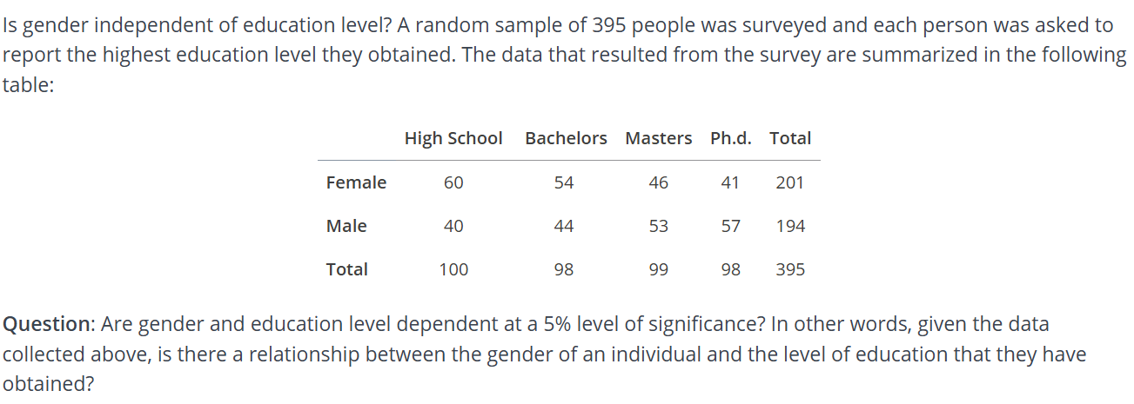

 | HIGH SCHOOL | BACHELORS | MASTERS | PH.D. | TOTAL
FEMALE | 60 | 54 | 46 | 41 | 201
MALE | 40 | 44 | 53 | 57 | 194
TOTAL | 100 | 98 | 99 | 98 | 395

 | EXPECTED VALUES
FEMALE | 50.886075949 | 49.86835443 | 50.37721519 | 49.86835443 | 201
MALE | 49.113924051 | 48.13164557 | 48.62278481 | 48.13164557 | 194

 | OBSERVED (O) | EXPECTED[e] | O-E | O-E^2 | O-E^2/E
 | 60 | 50.89 | -9.11 | 82.9921 | 1.6308135194
 | 54 | 49.86 | -4.14 | 17.1396 | 0.34375451264
 | 46 | 50.37 | 4.37 | 19.0969 | 0.37913242009
 | 41 | 49.86 | 8.86 | 78.4996 | 1.5744003209
 | 40 | 49.11 | 9.11 | 82.9921 | 1.6899226227
 | 44 | 48.13 | 4.13 | 17.0569 | 0.35439227093
 | 53 | 48.62 | -4.38 | 19.1844 | 0.39457836281
 | 57 | 48.13 | -8.87 | 78.6769 | 1.634674839
TOTAL= |  |  |  |  | 8.0016688684

 | DEGREE OF FREEDOM |  | (R-1)(C-1) | (2-1)(4-1)
 |  |  |  | 1*3=3
 | SIGNIFICANCE LEVEL=5% |  |  | 0.05
 | TABULATED CHI SQUARE TABLE |  |  | 7.815

Regression
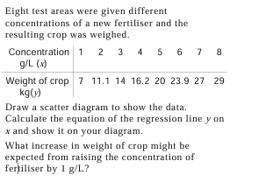

 |  |  | SUMMARY OUTPUT

 |  |  | Regression Statistics
 |  |  | Multiple R | 0.99751633242
 |  |  | R Square | 0.99503883344
 |  |  | Adjusted R Square | 0.99421197235
 |  |  | Standard Error | 0.59381735207
 |  |  | Observations | 8

 |  |  | ANOVA
X | Y | Y=MX+C |  | df | SS | MS | F | Significance F
1 | 7 | 7.4 | Regression | 1 | 424.33928571 | 424.33928571 | 1203.3929777 | 3.8230597107E-08
2 | 11.1 | 3.1785714286 | Residual | 6 | 2.1157142857 | 0.35261904762
3 | 14 | 13.757142857 | Total | 7 | 426.455
4 | 16.2 | 16.935714286
5 | 20 | 20.114285714 |  | Coefficients | Standard Error | t Stat | P-value | Lower 95% | Upper 95% | Lower 95.0% | Upper 95.0%
6 | 23.9 | 23.292857143 | Intercept | 4.2214285714 | 0.46269875303 | 9.1234924317 | 9.7480723862E-05 | 3.0892455091 | 5.3536116337 | 3.0892455091 | 5.3536116337
7 | 27 | 26.471428571 | X | 3.1785714286 | 0.09162800669 | 34.689954997 | 3.8230597107E-08 | 2.9543657731 | 3.402777084 | 2.9543657731 | 3.402777084
8 | 29 | 29.65

36 |  | 140.8
 |  |  | RESIDUAL OUTPUT

 |  |  | Observation | Predicted Y | Residuals
 |  |  | 1 | 7.4 | -0.4
 |  |  | 2 | 10.578571429 | 0.52142857143
 |  |  | 3 | 13.757142857 | 0.24285714286
 |  |  | 4 | 16.935714286 | -0.73571428571
 |  |  | 5 | 20.114285714 | -0.11428571429
 |  |  | 6 | 23.292857143 | 0.60714285714
 |  |  | 7 | 26.471428571 | 0.52857142857
 |  |  | 8 | 29.65 | -0.65

